Overview
https://docs.microsoft.com/en-us/learn/modules/trigger-azure-event-grid-workflow-iot-device/2-business-integration-event-grid

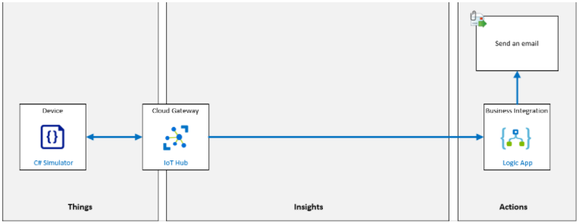

Learn the basics of integrating Azure IoT Hub with Azure Event Grid to trigger a workflow when a new IoT device is added to a solution.

1. Create an IoT hub
2. Create a logic app that sends an email
3. Configure an Azure IoT Hub event subscription
4. Create new devices that trigger a logic app, which sends an email to an operator

You can use Azure Event Grid to build applications with event-based architectures

